Cover
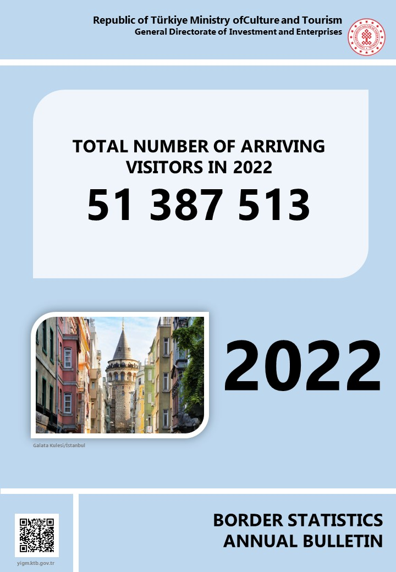

Persons
Ministry of Culture and Tourism, Republic of Türkiye reserves all the rights of this publication. Unauthorized duplication or distribution of this publication is prohibited under Law No: 5846.

PUBLICATION NO: 2023 /4
ISSN – 1300 - 6932

FOR INFORMATION
ADDRESS :
REPUBLIC OF TÜRKİYE MINISTRY OF CULTURE AND TOURISM
GENERAL DIRECTORATE OF INVESTMENT AND ENTERPRISES
DEPARMENT OF RESEARCH AND EVALUATION
İSMET İNÖNÜ BULVARI NO : 32
EMEK/ANKARA
TELEPHONE :
+ (312) 470 71 17 + (312) 470 71 38 + (312) 470 80 00
FAX :
+ (312) 212 20 05

E-Mail : istatistik@ktb.gov.tr Internet Web : http:// www.ktb.gov.tr

MANAGEMENT
DATA PROCESSING AND EVALUATION

GENERAL DIRECTOR : ŞENNUR ALDEMİR DOĞAN
DEPUTY GENERAL DIRECTOR : LEVENT KIRCAN
HEAD OF DEPARTMENT : HALİL SAĞKURT
HEAD OF SECTION : SERPİL GÜNEY AKKOYUN

DATA EVALUATION : HÜDAVERDİ ARIK Statistician
DATA PROCESSING : HÜDAVERDİ ARIK Statistician
: MUKADDES GÜLEÇ Chief
: H. AVNİ ALTINDAL Employee

